Sheet1
Company Name | Location Origin | Features/ Services | App/Web Evaluation | Strengths | Target Market | Threats | Opportunities | Weaknesses | Company's Strategy | Statistics about Company | Miscellaneous | Business Model similarities | Links/Citations | Year Started
/ means "or" and // means "other related info" When in Doubt: Look at the SWOT analysis picture on the right =>
Alipay | China | Buyer Protection similar to SeenPay | User friendly (Web/App) | Prevalent & Trusted in China // Part of Alibaba, Taobao, Tmall, eTao, AliExperess | China and international Sellers interested in trading with China | Politics; still expanding in China | Appeal Southeast asia users | Alipay is only avaliable to users who have a chinese bank account |  | 30000 delivers per day // 1.2 million unique visitors per day // | China’s online commerce is already at 10.6 percent of total retail transactions http://knowledge.ckgsb.edu.cn/2015/01/28/technology/why-e-commerce-alone-wont-save-the-chinese-retail-industry/ | Seenpay Paypal | https://prezi.com/ssyaoakpdolg/alipay/ http://projects.wsj.com/alibaba/ http://escrow.aliexpress.com/features/why_alipay_safe.html |  | 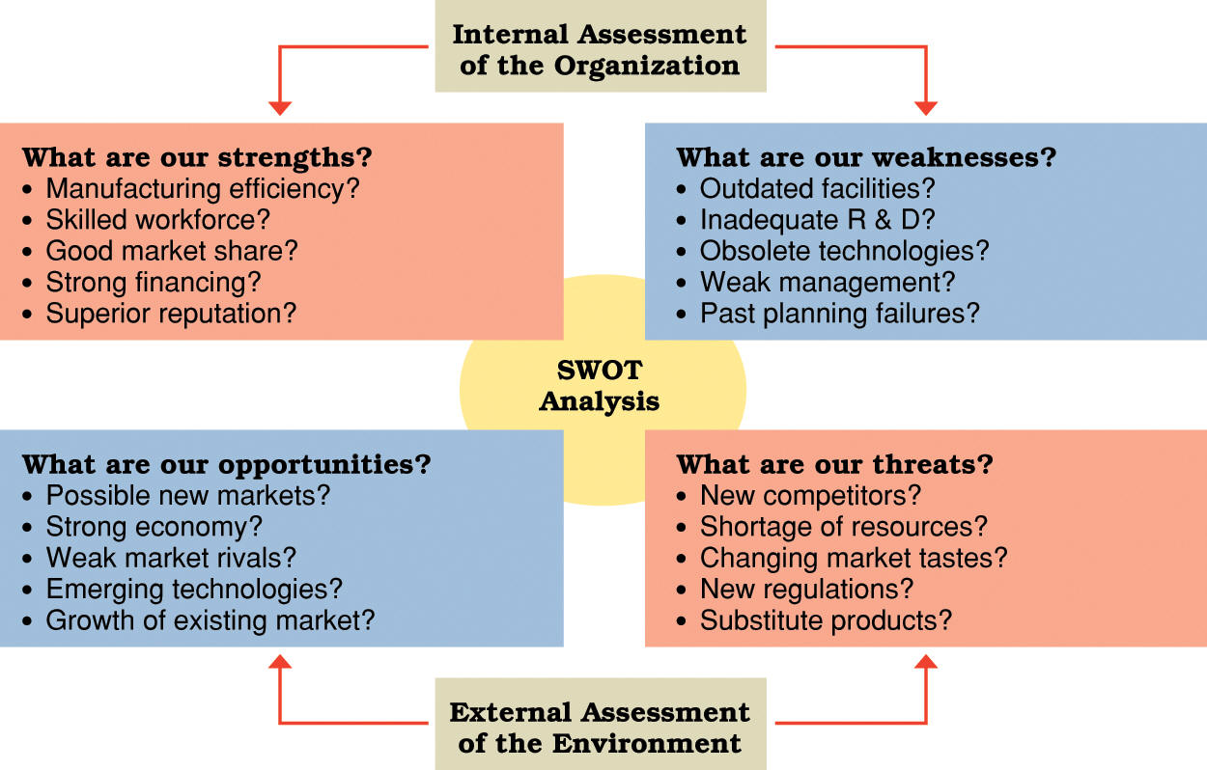
Paypal | USA | https://www.paypal.com/an/cgi-bin/webscr?cmd=_additional-payment-feature-list-outside https://www.paypal.com/cgi-bin/webscr?cmd=p/mer/directory_intro-outside | User friendly (Web/App) | Crossborder Transfer // Prevalent in USA and has most global coverage | USA // trying to compete in China | Alipay | Widely used around the world for transfering money | Does not offer escrow service / must have verified debit/cerdit/ bank account |  |  |  |  | http://www.telegraph.co.uk/technology/news/10513232/PayPal-targets-market-traders.html http://www.paymentssource.com/news/paythink/paypal-sizes-up-its-audience-for-new-payments-tech-3016606-1.html
1Pay | Vietnam | Sim/ Card /Website / Games and Application charge // merchants can check and collect all their sales in a dashboard provided by 1Pay. | Parts of their English version website does not work // has an android app | Many payment options for different purposes. | focused solely on mobile payments mainly for digital goods. | Similar to many a lot of payment companies in vietnam // gap for people to buy things on mobile as well as a gap for people buying digital goods // not much potential in Vietnam due to the lack of infrastructure in the mobile space and the existence of more evolved competitors. | Allows access to the API key and SDK to integrate payment via mobile for their games, content, or mobile apps. // Future features: Provide direct payment service with single click // Sub payments |  |  |  | Brief Info about 1Pay = https://www.about-payments.com/knowledge-base/provider/1pay |  | https://1pay.vn/dich-vu.html | 2013 yr
Payoo | Vietnam | Payoo e-wallet / Link to Features https://www.payoo.com.vn/data/en/htmls/Services.html | Web design not updated / has andriod app |  |  | Merchants and consumers don’t see a practical benefit over cash | consumers still predominantly pay by cash. |  |  |  | Article from Tech In Aisa about Payoo and Paybill https://www.techinasia.com/payoo-vietnams-paypal-rolls-paybill/ |  | PeaceSoft Company Profile http://www.slideshare.net/guesta90cc/peacesoft-company-profile-2010 | 2008 yr
PayBill ( Started Payoo ) | Vietnam | Pay electricity, water, telephone, internet, and cable ( Supports most of the leading utility providers like VNPT, SCTV, SPT, Vinaphone, and more. ) | Web design is simple/ does not have english version / no app | Good for paying utitlites . |  | Merchants and consumers don’t see a practical benefit over cash // just focused on paying bills | The current services are cumbersome and time consuming. / / Most Vietnamese people pay their bills by waiting for utility collectors to come door to door to collect monthly cash payments |  | Educate consumer on convience over using cash to pay at payment centers |  |  |  | https://www.paybill.com.vn
OnePay | Vietnam | e-Commerce transaction enabling processing for merchants and banks Online (Online banking) // Bill Payment Services // Pre-Paid Card Services // Risk & Fraud management for financial transactions // ATM Channel Switching & Payment Gateway Processing | User friendly (Web/App) | More experience that most vietnam competitors // official representative for MasterCard for Vietnam / /Supported by Vietcombank, Vietnam’s leading bank |  |  |  |  |  |  |  |  | http://onepay.com.vn/home/en/about-us.html | 2006 yr
Mobivi | Vietnam | top up their mobile phones straight from online credit dashboard // Employee Credit Card (ECC) ~ participating companies can use ECC to pay employees ~ customers can buy online products (that are partnered with Mobivi) directly through their Mobivi account portal. // Corporate Credit Card (CCC) - let businesses buy things e.g office supplies for their company | English version of website does not work/ app missing from google & apple store | one of the biggest names in the Vietnamese payment space // Mobivi currently has over 300 merchants participating on their // Has 3 main investors for ECC: Experian (to the sum of $4 million), Kusto Tiger Fund Private, and Unitus Impact // aim B2B - integrate ECC across a large, country-wide workforce |  | reluctance of Vietnamese merchants to accept credit cards | experimenting with various payment models - free mobile transactions for non-profit donations // working on online credit card benefits packages for large scale companies 2013 | ECC is not a package that is currently offered to individuals | Partnered with Orient Commercial Bank to offer the ECC 2013 ***offer credit installments of up to 30 to 50 percent of their monthly income ~ don’t have to pay that back for three to six months.*** Unique to mobivi // 2013 Business model : work with larger Viet. businesses // Employee-only benefits package - hopes to avoid dealing with mass market consumer issues e.g. convincing individuals to use the product and marketing it heavily | > 100,000 workers in Vietnam working on ECC // > 140 employees. | ECC - online banking account that is tied to merchant services within Mobivi’s network |  |  | 2008 yr
Ngan Luong ( started by PeaceSoft ) | Vietnam |  | Website does not support english // has an adroid app - https://play.google.com/store/apps/details?id=com.ps.thanhtoanonline&hl=en | one of Vietnam’s leading online payment startup |  |  |  |  |  | 150,000 registered members and 2,000+ e-stores.
PeaceSoft | Vietnam | Owns ChoDienTu - leading shopping and auction // launched ebay.vn // operates AdNet - largest network of advertisers and publishers in Vietnam // owns NganLuon // provides online content management software in Vietnam // video-conferencing // develops and makes an e-government service model that is applied and customized to various Vietnamese e-government projects. | http://peacesoft.net | pioneer and leader in the e-commerce market in Vietnam with a portfolio of complementary sites and services in online commerce, payment and advertising // PeaceSoft signing a partnership agreement with eBay ( 2008 ) // top 100 private technology companies |  |  |  |  |  |  | e-commerce and technology industries argue that online payment is one of Vietnam’s biggest barriers to offering online web services. |  |  | 2001 yr
ChoDienTu | Vietnam |  |  | Vietnam’s first e-shopping site with certified security from VISA and MasterCard |  |  |  |  |  |  | There are over 30 big e commerce players & > 100 smaller players - logistics and payments are big problem |  |  | 2008 yr
Missing because excel suddenly stopped working for the 3rd time. >:(

Vatgia | Vietnam | 1st site in Viet. that built its own database of productseasy for sellers to upload their products and easy for customers to search // rating system // customer review products. // pay-per-click model from Kakaku // small commission similar to eBay, Rakuten and Amazon. |  | Well known for B2B & B2C ecommerce // leader in ecommerce Viet. // high understanding of the Vietnamese market // |  |  | Works with CyberAgent Ventures closely // Invested in Hanoi Starups // Invested in * Webbnc.net – A fully packaged e-commerce and shopping cart solution, similar to BigCommerce.com * Vanphongonline.vn – Literally meaning office online, it’s a Vietnamese version of Salesforce.com * Nhanh.vn – Meaning “Fast”, this site competes with Giao Hang Nhanh and Zship in the e-commerce logistics space. * 123doc.vn – A book and e-book audio platform. * Pub.vn – An online video platform. * Suong.vn – A 9gag clone where users can share pictures and videos for fun. * Vanphongonline.vn - cloud service provide a more convenient service at lower cost. |  | Retail is a race on low cost, delivering best services, best products at lowest cost. most Vietnamese retailers use the gap in law to reduce the price down by cutting tax. That is the most important reason for the failure of many big foreign corporations. // Adapting western models with local preferences | - played a decisive role in making ecommerce acceptable & widespread // worth up to $75 million and may be, prior to the arrival of Rocket Internet, Southeast Asia’s largest e-commerce company | http://www.alexa.com/siteinfo/vatgia.com ~ internet usage stats // started after CEO went to a trip to Japan // secured an initial angel investment of $200,000 (from IDGVV) and, with no knowledge of IT, no experience in operations management, no experience working with investors, and no connections // | Japan’s Rakuten& Kakaku / Alibaba | https://www.techinasia.com/indepth-interview-ceo-vietnams-biggest-ecommerce-site-vat-gia/ | 2006 yr
MOL Pay | Malaysia | in exchange for Virtual game money |  | MOL has 50% Stake in NganLuong
1P - OnePay | USA - https://onepayapp.com/ | Entralized place to manage all monthly bills through bill analysis - track overall spending & save | webpage is user friendly / no app found |  |  |  |  | $9.99 per month - 30 day trial available
onepay | UK - http://www.onepay.co.uk/customers/how-it-works/
Bao Kim ( started by Vat Gia ) | Vietnam | Tranfer money between accounts // Online game money | Website is very interesting / No App | A long list of partnerships | Must have BK money unit, in order to use some specific services online | The Government / banks /other payment services |  |  |  |  | E-commerce is in a very early stage in Vietnam 2013 // Buyers and sellers don’t trust each other yet. And warehouses, sales channels, infrastructures, and delivery systems are still // E-commerce appeals to Vietnam’s young population // Many people who don’t have a job in the trying Vietnamese economy look to e-commerce as an easy solution where you don’t need to set up a physical shop
Zship | Vietnam | General logistics // focused on food delievery - supports Eat.vn, Vietnammm.com, Foodpanda, etc |  | Focused on delivery strictly in HCMC // owns GetNGo |  | competes with GHN |  | Food delivery takes a lot of care and needs to be fast // Food delievery is not so important with general ecommerce // delivers food within 40 mins to any area in the city | Promting speed and preservation for food delivery // improve delivery time to within 20 mins // improving on to be more reliable so no need to deal with logistical issues and quality control with 3rd parties // interested in building e-commerce sites | Ships approx. 400 - 500 delievers per day | Insists that cash-on-delivery can sustain e-commerce in Vietnam ( no nescessary need for Credit Cards )
Giao Hang Nhanh GHN | Vietnam | General logistics & e commerces delivery // Merchants can set delivery times to 6 months ahead and track exactly when customers received their orders. // System sends SMS texts to customers when a delivery man has received a delivery - notifying order is on its way within hours. |  | Expanded very fast // popular with most Vietnamese e-merhcants // one of the biggest in Viet // hired coordinators to develop effient delivery routes/ 60% automates of route decisions - gives coordinators to work on other route problems // has a system that plans routes & catalog transaction & tracks ( biggest competitve advantage ) // rigorously train delivery men in customer service. | Build a trust-building service for e-commerce that can scale very big and bring Vietnam into the next level of e-commerce within the next 5 years. (2013 !!! ) | Competes with Zship | Competitors deliver coupons/goods use 4 - 7 from intial purchase day | Relies on 3rd party delivery services due to increasing shipment to coutryside ( to suport growing customer base ) - cannot guarantee good customer service // also relies on bigger 3rd party delivery servises to delivery Outside city | Not interested in ecommerce sites - don’t want to compete with it's customers // takes orders from multiple merchants, snythesize them into manageable routes via internal logistical system // expanding merchant-base // does not want to get accquired by partners - do not want to turn away other ecommerce sites | delievers to 600 - 700 people daily // Delievers over 2000 per day for over 500 e-commerce sites // serves 800 online merchants / 20 are larger scale B2C e-commerce sits i.e. Tiki.Vn, Project Lana, MuaFast, Nha Sach Phuong Nam, Foci, etc // has delivered over 60000 orders since 2012 // 60 staff count // handles > 1.5 Bill VND ( $70,000 ) of transactions per week for clients // > 200 Mill VND ( $9500 ) of revenue per month | Growing trend of shipping to the country side // offers 2 to 3 day delivery for 10,000 VND ($0.50) / Next-day delivery for 15,000 VND ($0.70) / Same-day delivery for 20,000 VND ($1.00) ////// GHN’s biggest competitive advantage is this system. And there are basically 3 key solutions that GHN brings to the market: The automated decision and route planner as described. An API and dashboard that allows any customer to upload orders and track them. Orders can currently be uploaded to GHN’s server by calling directly to customer service (ideal for low-tech small businesses), accessed via the dashboard, and uploading an excel file into the system. Basically, they’ve made it really easy for merchants to submit orders and have them delivered automatically according to their time preference. A payment collection system that prevents delivery men from cheat the system and running off with the money or products. Delivery men must travel back to GHN’s cashier hubs (there are four in the Ho Chi Minh city) three times a day to return money received and get new delivery orders from the system. If delivery men do not return, the system locks them out, and does not issue out further routes or delivery protocols. All money collected is returned to merchants Monday, Wednesday, and Friday of every week. |  | https://www.techinasia.com/giao-hang-nhanh-solves-logistics-vietnams-growing-ecommerce-market/
GetNGo ( started by Zship ) | Vietnam http://www.getngo.com.vn | coffee delivery starUp that ships to office work places // Order features: from bikes around the office / Order online via the website/ Contact the call center directly | website is modern // no english again :( | sourced authentic homegrown Vietnamese coffee from the highlands // different from Vietnam's traditional coffee drinking culture ( promote western culture of drinking in offices ) |  |  | pave the way for new wave of food commerce - like Webvan ( discont. ) http://techcrunch.com/2013/09/27/why-webvan-failed-and-how-home-delivery-2-0-is-addressing-the-problems/ | Delievers to only one district in HCMC | Aims to be number 1 in traditional coffee delivery - scale is easy --- spread out of district 1 in 1 week,using motorbikes --- price of the coffee will be higher than on the street & lower than Highlands/Trung Nguyen -with the same or higher quality. |  | Name means "Fast Delivery"
Cherry Cerdits | Singapore | Provides the world's first Unified Global Virtual Credit (UGVC) to facilitate commerce and connects international content to the global consumer // Global Micropayment Solution to assist Online Content Developers, Aggregators and Publishers // Innovating payment convenience via Cherry Credits Physical Scratch Cards, Cherry Credits // Provide Merchants and Consumers with a global transaction // Provides a reliable and secure, 24/7 real-time payment solution to bridge the transaction barrier, monetizing merchants' products globally. | Uncluttered website / No app
Rocket Internet
Nhanh.vn | Vietnam |  |  | Competes with Giao Hang Nhanh & Zship
Tiki.vn | Vietnam | online bookstore selling international English language books and vietnamese books, toys, appeal etc. |  | Experience with Vinabook // received Cyberagent Ventures funding |  |  |  |  | excellent customer service - custom sized book cover // used social media to understand customers better // get out of office & listen to customers // try new things // find the right market target // | > 90 staff - approx > 55 in logistics // >15000 orders per month / 60-80% are book orders // 99.5% Viet customers // | Son Tran started by borrowed $25000 to start importing/selling books with a a 3 person team // Observed consumer behaviour in bookstores personally //delievered books himself so could understand distribution and interaction with customers | Amazon | https://www.techinasia.com/tiki-amazon-vietnam/ | 2010 yr
MoVend | Singapore | mobile app payment platform for Andriod, Blackberry and windows 7 phones // supports MOLPoints, paypal, telcophone billing systems across 25 countries, Alipay and Cherry Credits |  | secuity patch preventing scammers from tampering & modifiying app code |  |  |  | raised SGD$1 Mill from SingTel Innov8 2011
JNE | Indonesia | logistics |  | Indonesia's leader in logistics |  | Logistics view - too many islands (disadvantage) // Barriers to Indon.'s eccommerce https://www.techinasia.com/friction-points-and-barriers-indonesia-ecommerce/ | Benefiting from 3 scoci-economic develop: ---increasing wealth of middle class, digitization & ecommerce |  |  | > 3500 stores // >7000 motorcycles / >2000 = vans/trcks/boats // delievers avg. 4 Million ecommerce packages | Courier services are abundant in Indon. // Competion's services are slow unreliable and has no real time tracking // Growing GDP creates new demands and spending power // 85 million Indonesians have access to the internet including from from cities // online shopping for Indons. is a necessity due to lack of options // online shopping expected to rise

Lazada

